Q#1
GLOBAL
SIAM GLOBAL HOUSE PUBLIC COMPANY LIMITED

QUESTION #1 (20%). Financial data of ‘GLOBAL’ is provided in ‘Q#1’. Calculate the ratios required from row 90 onwards. Make sure your workings are shown in the spreadsheet.
Baht Million
INCOME STATEMENT | 2019 | 2020 | 2021 | 2022 | 2023
Revenue
Revenue From Operations | 28,259 | 26,905 | 33,615 | 35,460 | 32,479
Revenue From Sales | 28,081 | 26,803 | 33,498 | 35,270 | 32,301
Revenue From Rendering Services | 178 | 102 | 117 | 190 | 178
Interest And Dividend Income | 2 | - | - | - | -
Other Income | 921 | 449 | 501 | 518 | 535
Total Revenue | 29,182 | 27,354 | 34,116 | 35,978 | 33,014

Cost And Expenses
Costs | 22,299 | 20,401 | 25,067 | 26,166 | 24,040
Selling And Administrative Expenses | 3,027 | 4,233 | 4,806 | 5,410 | 5,524
Selling Expenses | 2,179 | 2,321 | 2,601 | 2,921 | 3,173
Administrative Expenses | 1859 | 1,912 | 2,205 | 2,488 | 2,351
Other Expenses | - | 68 | 1 | - | -
Total Cost And Expenses | 26,337 | 24,701 | 29,874 | 31,575 | 29,569

Share Of Profit (Loss) From Investments (Equity Accounting Method) | 29 | 23 | 81 | 120 | 135
Profit (Loss) Before Finance Costs And Income Tax Expense | 2,875 | 2,676 | 4,323 | 4,523 | 3,580

Finance Costs | 268 | 246 | 180 | 193 | 282
Income Tax Expense | 493 | 455 | 783 | 824 | 620
Net Profit | 2,114 | 1,976 | 3,359 | 3,506 | 2,678
Basic Earnings (Loss) Per Share (Baht/Share) | 0.50 | 0.44 | 0.73 | 0.73 | 0.53

BALANCE SHEET | 2019 | 2020 | 2021 | 2022 | 2023
Current Assets
Cash And Cash Equivalents | 1,299 | 1,224 | 1,694 | 1,147 | 1,053
Short-Term Investments - Net | - | - | 78 | 42 | 216
Trade And Other Receivables - Current - Net | 269 | 666 | 674 | 631 | 757
Inventories - Net | 15,603 | 14,287 | 16,186 | 15,747 | 14,038
Total Current Assets | 18,179 | 16,184 | 18,631 | 17,568 | 16,064
Non-Current Assets
Non-Current Portion Of Lease Receivables - Net | - | - | - | 30 | 30
Long-Term Investments - Net | - | - | 100 | 320 | 220
Investment In Subs., Associates & JVs (Equity Accounting Method) | 815 | 838 | 1,507 | 1,824 | 1,967
Other Non-Current Financial Assets | 14 | - | - | - | -
Investment Properties - Net | - | 500 | 500 | 500 | 500
Property, Plant And Equipment - Net | 16,913 | 17,148 | 17,099 | 17,471 | 18,804
Right-Of-Use Assets - Net | - | - | 1,283 | 1,232 | 1,179
Intangible Assets - Net | 15 | 12 | 7 | 5 | 2
Deferred Tax Assets | 50 | 60 | 138 | 189 | 200
Other Non-Current Assets | - | 1,279 | 8 | 9 | 91
Total Non-Current Assets | 17,807 | 19,837 | 20,643 | 21,580 | 22,994
Total Assets | 35,986 | 36,020 | 39,275 | 39,148 | 39,058

Liabilities
Current Liabilities
Bank Overdrafts And ST Borrowings | 14,220 | 11,193 | 12,066 | 9,475 | 7,626
Trade And Other Payables - Current | 2,471 | 2,988 | 2,543 | 2,311 | 3,043
Accrued Expenses - Current | 919 | - | - | - | -
Current Portion Of Long-Term Debts | 943 | 884 | 1,045 | 1,512 | 2,195
Current Portion Of Lease Liabilities | - | 15 | 18 | 19 | 24
Income Tax Payable | 224 | 177 | 328 | 309 | 231
Other Current Liabilities | 47 | 5 | 12 | 4 | 0
Total Current Liabilities | 18,824 | 15,261 | 16,011 | 13,629 | 13,120
Non-Current Liabilities
Non-Current Portion Of Long-Term Debts | 833 | 2,303 | 2,139 | 2,120 | 1,075
Non-Current Portion Of Lease Liabilities | - | 1,081 | 1,129 | 1,131 | 1,111
Provisions For Employee Benefit Obligations - Non-Current | 116 | 147 | 144 | 163 | 193
Deferred Tax Liabilities | 10 | 8 | 11 | 8 | 5
Other Non-Current Liabilities | 72 | 6 | 5 | 6 | 6
Total Non-Current Liabilities | 1,032 | 3,545 | 3,427 | 3,428 | 2,390
Total Liabilities | 19,855 | 18,806 | 19,439 | 17,057 | 15,511
Equity
Authorised Share Capital | 4,202 | 4,402 | 4,602 | 4,802 | 5,002
Issued And Paid-Up Share Capital | 4,202 | 4,402 | 4,602 | 4,802 | 5,002
Premium (Discount) On Share Capital | 4,739 | 4,739 | 4,739 | 4,739 | 4,739
Retained Earnings (Deficits) | 6,992 | 7,845 | 10,174 | 12,290 | 13,538
Other Components Of Equity | (21) | (5) | 46 | (43) | (40)
Equity Attributable To Owners Of The Parent | 15,912 | 16,981 | 19,561 | 21,788 | 23,239
Non-Controlling Interests | 219 | 233 | 275 | 304 | 308
Total Equity | 16,131 | 17,214 | 19,836 | 22,091 | 23,547
Total Liabilities And Equity | 35,986 | 36,020 | 39,275 | 39,148 | 39,058

RATIOS | 2019 | 2020 | 2021 | 2022 | 2023
Revenue from Operation Growth (%)
Gross Margin (%)
Operating Margin (%)

Total Asset Turnover (x)
Account Receivable Days
Inventory Days
Account Payable Days
Cash Cycle (days)

NOPLAT
Working Capital
Fixed Assets
Capital Employed
ROCE (%)

Working Capital Changes
Operating Profit
Operating Cashflow
Free Cashflow

Interest Bearing Debt
Net Interest Bearing Debt
Short Term Investments / Assets
Net Debt / Equity

Q#2
QUESTION #2 (20%)
Relate the operating story of GLOBAL in the past 5 years by associating its financial figures and ratios calcuated in ‘Q#1’ to its business. You should provide context in relation to its industry and economic environment. Remember this question is not about testing your knowledge on GLOBAL. It is about explaining the financial results in the possible context of its operating environment. You may speculate on the context, but you must provide the explanation in accordance with the context created.
Business
GLOBAL is a one-stop shopping home center offering construction materials, home decorative products, tools and equipment housed in a modern trade warehouse style. The company operates its businesses under the Global House name. As of Dec-23, it operated 83 stores within Thailand and 1 store in Cambodia.
More about the company from; https://globalhouse.co.th/

Answer (please type directly into this box)
...

Q#3
QUESTION #3 (20%)
Table below shows forecasts and valuation for some SET-listed stocks in Transportation. Although they are grouped in the same industry, their businesses differ from each other ranging from operating airlines (AAV, BA), operating airports (AOT,SAV), mass transit systems in Bangkok (BTS, BEM), delivery service (KEX), logistics (PRM, SJWD).
3.1 Based on the forecasts provided, which stock looks to be the most attractive in terms of earnings growth on a 2-year view? Provide reasons for your choice. You may want to draw charts or tables using the data provided to support your answer. (5%)
3.2 There are 2 airport operators, namely AOT (operates airports in Thailand) and SAV (operates airports in Cambodia). Between the two, which company would you prefer to buy and hold over the long term in expectation of steady income? Provide your reasons. (5%)
3.3 Chart 1 plots 2024 PEG with 2024 PER. Explain 1) how is the plot useful helping to assess valuation and 2) which stock looks the most attractive to buy? (5%)
3.4 Use the PE Band chart provided to answer the following. If the expected EPS in March-25 for the stock shown is Bt26, what should be the fair value of the stock in March-25? Provide reasons.

TRANSPORTATION
STOCK | PRICE (Bt) | EPS Estimates (Bt/share) |  |  | EPS Growth (%) |  |  | PER (x) |  |  | Price / Book Value (x) |  |  | ROE (%) |  |  | Dividend Yields (%) |  |  | Debt / Equity | PEG Ratio
 |  | 2023F | 2024F | 2025F | 2024F | 2025F | 2Y, 23-25F | 2023F | 2024F | 2025F | 2023F | 2024F | 2025F | 2023F | 2024F | 2025F | 2023F | 2024F | 2025F
AAV | 2.30 | (0.2) | 0.1 | 0.2 | 167% | 44% | 196% | (13.4) | 20.1 | 14.0 | 4.4 | 4.1 | 3.1 | (31.9) | 22.4 | 25.3 | - | - | - | 2.51 | 0.12
AOT | 63.25 | 0.6 | 1.0 | 1.5 | 67% | 46% | 144% | 102.8 | 61.4 | 42.1 | 7.7 | 7.2 | 6.8 | 8.3 | 12.5 | 16.6 | 0.32% | - | 1.43% | 5.43 | 0.91
BA | 15.90 | 2.0 | 1.2 | 1.2 | -39% | 2% | -38% | 8.1 | 13.4 | 13.1 | 1.5 | 1.4 | 1.3 | 21.5 | 11.0 | 10.1 | - | - | 3.82% | 2.85 | (0.34)
BEM | 7.65 | 0.2 | 0.3 | 0.3 | 19% | 15% | 37% | 35.0 | 29.4 | 25.6 | 3.2 | 2.9 | 2.7 | 8.8 | 10.0 | 10.8 | 1.24% | 1.36% | 1.56% | 6.07 | 1.53
BTS | 5.70 | 0.1 | (0.4) | 0.0 | -366% | 110% | -74% | 40.9 | (15.4) | 156.1 | 1.7 | 1.6 | 1.8 | 3.1 | (9.6) | 1.1 | 5.10% | 5.26% | 5.26% | 5.75 | 0.04
PRM | 6.30 | 0.8 | 0.8 | 0.9 | -3% | 15% | 12% | 7.6 | 7.8 | 6.8 | 1.1 | 1.2 | 1.1 | 18.8 | 16.5 | 17.1 | 6.21% | 5.13% | 5.89% | 1.17 | (2.88)
SAV | 16.60 | 0.6 | 1.0 | 1.2 | 66% | 27% | 111% | 28.6 | 17.2 | 13.6 | 6.2 | 5.7 | 6.1 | 37.0 | 35.1 | 39.7 | 2.55% | 4.04% | 5.18% | 1.34 | 0.26
SJWD | 15.90 | 0.4 | 0.7 | 0.8 | 73% | 16% | 100% | 39.5 | 22.9 | 19.8 | 1.2 | 1.2 | 1.2 | 5.6 | 5.4 | 6.0 | 1.31% | 2.18% | 2.53% | 0.01 | 0.32
KEX | 5.45 | (2.2) | (1.1) | (0.3) | 50% | 76% | 88% | (2.4) | (4.9) | (20.6) | 3.3 | 14.8 | 51.8 | (146.8) | (302.3) | (251.0) | - | - | - | 2.43 | (0.10)
Note: Forecasts are sourced from a broker.
Chart 1 (KEX is left out, being an outliner)
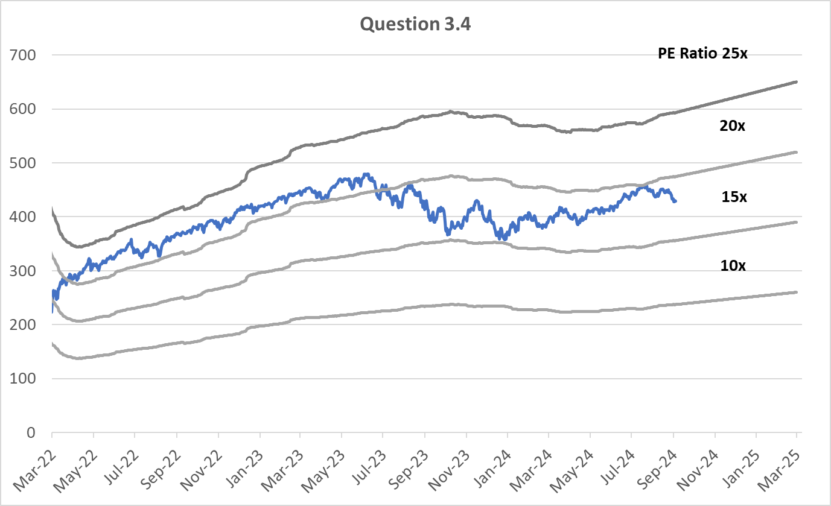

Answer:

Q#4
QUESTION #4 (20%)
Use the tables below for the following questions.
4.1 Using free cashflow to the firm approach, calculate equity value per share based on the numbers provided. Will you buy or sell the stock? (5%)
4.2 Assume that this company grows organic vegetables and also produces medicinal herbs for health improvements, both areas that are expected to see strong growth over a long term because aging demographics and public's greater health awareness. Current forecasts have growth at 20% in the final year of forecast period in 2030 and dropping to 4% terminal growth after that. Do you think this is a fair set of forecasts? If not, how will you change it? (5%).
4.3 Extend the forecast period from 2030 onwards to end at a new terminal year that you think is appropriate and explain your assumptions. However, do not change assumptions between 2024 to 2030. These are fonts denoted in 'red' color. (5%)
4.4 Perform valuation based on 4.3 and estimate fair value. Will you buy the stock based on the results? (5%)
Show all your calculations on to this sheet itself.

 | Bt Million | 2024F | 2025F | 2026F | 2027F | 2028F | 2029F | 2030F
 | Operating Profit | 150 | 240 | 432 | 648 | 842 | 1,053 | 1,264
 | - Growth |  | 60% | 80% | 50% | 30% | 25% | 20%

 | Depreciation & Amortization | 75 | 83 | 98 | 109 | 115 | 120 | 123
 | Working Capital Changes | (88) | (159) | (215) | (218) | (215) | (216) | (219)
 | Capex | 150 | 300 | 300 | 220 | 200 | 180 | 150
 | Fixed Assets | 1,075 | 1,292 | 1,494 | 1,606 | 1,691 | 1,750 | 1,777
 | Sales | 1,612 | 1,938 | 2,242 | 2,409 | 2,536 | 2,625 | 2,665
 | Cash Cycle Days | 20 | 30 | 35 | 33 | 31 | 30 | 30

 | Share price (Bt) | 100
 | Number of shares (Million) | 200
 | Net Debt (Bt Million) | 5,000
 | Average Cost of Debt | 6.00%
 | Tax Rate | 20%
 | Market Risk Premium | 4.00%
 | Beta | 1.50
 | Thailand 10Y Government Bond Yield | 2.50%
 | Terminal Growth | 4.00%

ANSWER 4.1

ANSWER 4.2

ANSWER 4.3

ANSWER 4.4

Q#5
QUESTION #5 (20%)
Provide brief answers to the following questions.
5.1 Explain how does interest rate influence valuation? (5%)
5.2 What valuation parameters would you use to assess the attractiveness of stocks with high earnings growth? (5%)
5.3 Why is it more common to estimate PE Ratio valuation based on 12M Forward EPS estimate than based on fiscal year forecasts? (5%)
5.4 Why is a 10Y Government Bond Yield commonly adopted as a risk-free return benchmark? (5%)

ANSWER 5.1

ANSWER 5.2

ANSWER 5.3

ANSWER 5.4

